Instructions
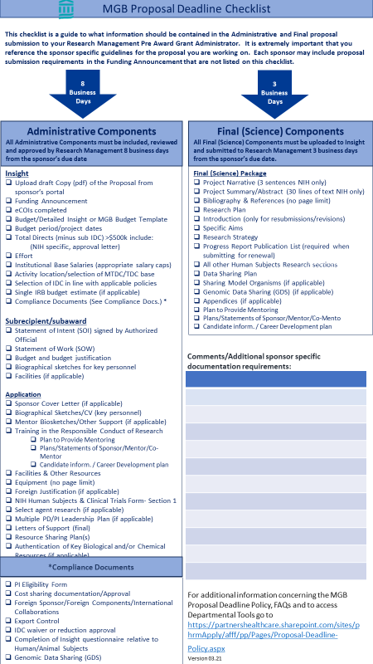
1. Insert the Sponsor Due Date
MGB Timeline/Template for Grant Proposal Submissions Version 01.00.01

2. .Latest Due Dates column will automatically populate based on the Due Date/formulas 22.
Date proposal due to immediate sponsor (funding agency or prime site if subcontract): | Grant Administrator | 1 | 2021-03-05

3. .Departments can set their own timelines22.
4. .Departments can change the formula to match their timelines. Click in cell to see the formula.
Action |  | 2 | Latest Date Due | 3 Departmental Timelines
Email to Department Grants Administrator that you are thinking of submitting a proposal |  | x | 2021-01-08 | 3 8 weeks before deadline
Meet with Grants Admin staff to draft budget and distribute tasks | x | x | 1/22/21 | 6 weeks before deadline
Provide title, project period, list of key personnel and whether or not human subjects are involved (so that Insight record can be established) |  | x 4 | 1/22/21 | 6 weeks before deadline
5. Formula in Formula Bar =WORKDAY(D3,-30,holidays)
Request paperwork from subcontract sites; request letters from consultants and other LOS. Set the date paperwork is due to you for at least 14-16 business days before proposal is due. |  |  | 1/22/21 |  | 5
If Single IRB applies, determine which site will serve; if MGH complete and submit budget template to IRB for approval. |  |  | 1/22/21
6. =WORKDAY means the formula will exclude Saturday & Sunday
Finalize MGH budget and justification | x | x | 2/5/21 | 4 weeks before deadline
7. (D3,-30,holidays)
D3 = Sponsor Due Date (Cell D3)
-30 is the number of days needed at department (6 weeks X 5 days a week =30) business days before deadline)
holidays means the formula will exclude the holidays listed in the holiday chart
Subcontractors and consultants to have their signed complete documents to MGB (PI or admin) |  |  | 2/9/21 | 18 Business days before deadline
Administrative Component due to Research Management approval and submission (staff/admin submits) | x | x | 2/24/21 | 8 Business days from Sponsor Due Date
Final (Science) Components due for Research Management and submission and ready for upload to Assist (staff/admin submits) | x | x | 3/3/21 | 3 Business days before deadline

(Note: this is a general list- consult the Program Announcement for your submission for details)
Documents Required for Proposal Submission
8. Formula in Formula Bar
=WORKDAY(D3,-30,holidays)
To change the number of days required by your department (in any formula field) just change the number in the formula to the numbers of days you require preceded by a negative sign.

